MechanismRatio
Mechanism Gear Ratio Calculator

775pro/Redline |  | Adjusted |  | Max. Power | Max. Eff. | By Ratio | Rot. Speed | Lin. Speed | 30A | 40A | 50A | Current
Free Speed (RPM) | 18730 | 18730 | Gear Ratio | 47.75:1 | 354.13:1 | 10.00:1 | 126.67:1 | #NUM! | 86.88:1 | 64.77:1 | 51.64:1 | 104.76:1
Stall Torque (N*m) | 0.71 | 0.57 | Rot. Free Speed (rps) | 6.54 | 0.88 | 31.22 | 2.46 | #NUM! | 3.59 | 4.82 | 6.05 | 2.98
Stall Current (A) | 134 | 134.0 | Rot. Loaded Speed (rps) | 3.27 | 0.82 | -43.30 | 2.00 | 9.55 | 2.61 | 3.04 | 3.25 | 2.30
Free Current (A) | 0.7 | 0.7 | Lin. Free Speed (ft/s) | 3.42 | 0.46 | 16.35 | 1.29 | #NUM! | 1.88 | 2.52 | 3.17 | 1.56
Power (W) | 348.1 | 278.5 | Lin. Loaded Speed (ft/s) | 1.71 | 0.43 | -22.67 | 1.05 | 5.00 | 1.36 | 1.59 | 1.70 | 1.20
 |  |  | Stall Load (lbs) | 240.0 | 1780.2 | 50.3 | 636.8 | #NUM! | 436.8 | 325.6 | 259.6 | 526.6
# Motors | 1 |  | Current Per Motor (A) | 54.0 | 7.9 | 255.3 | 20.8 | #NUM! | 30 | 40 | 50 | 25.0
Voltage Applied (V) | 12
EXAMPLE USES:
Winch: As an endgame, you need to winch up the robot by spinning a cable around a circular drum. For radius, enter the drum's radius. For load, enter the weight of the robot (154lb max = 120lb robot + 20lb bumpers + 14lb battery). Since this is an end game task, change Voltage Applied to 10V to account for battery drop throughout the match. Then specify a desired linear speed under that load in the Lin. Speed column or a maximum allowable current draw in the Current column. Change the type and number of motors to can see how different numbers and types motors will perform under those conditions, and the required gear ratio for the system to be at a desired calculation point.
Elevator: You need to lift a load with a motor connected to a linear elevator system. For radius, enter the radius of the pulley/sprocket driving the elevator. For load, enter the weight of the load. Then specify a desired linear speed under that load in the Lin. Speed column or a maximum allowable current draw in the Current column. Change the type and number of motors to can see how different numbers and types motors will perform under those conditions, and the required gear ratio for the system to be at a desired calculation point.
Arm: You need to lift a load using an arm driven by a motor. For radius , enter the length of the arm. For load, enter the weight of the load lifted. Then specify a desired rotational speed under that load for the arm in the Lin. Speed column or a maximum allowable current draw in the Current column. Change the type and number of motors to can see how different numbers and types motors will perform under those conditions, and the required gear ratio for the system to be at a desired calculation point.
Gearbox Efficiency | 80%

Radius (in) | 1 | 1
Load (lbs) | 120 | 120

Metric? (put any value in the box)

 | Ratio Tester

 | Final Ratio

ChainBelt
Chain/Belt C-C Calculator
 |  |  |  |  |  |  | Any distance unit can be used, so long as it is used consistently.
Pitch | 0.25 | <- Characteristic of chain/belt |  |  |  |  | Standard practice is to add the "Standard C-C Addition" to the exact distance for un-tensioned chain/belts
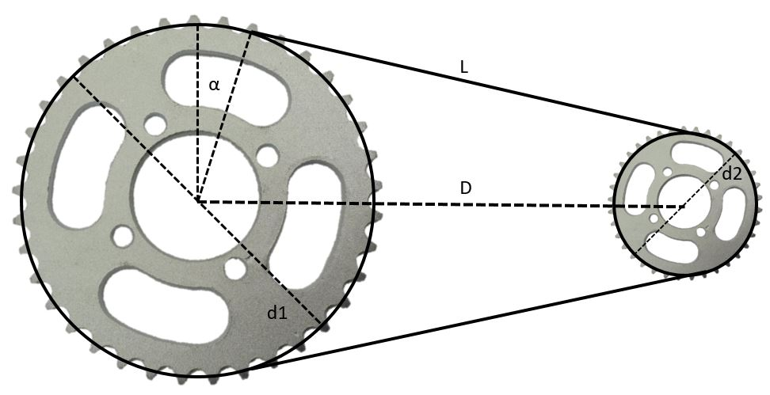
# Teeth 1 | 15
Pitch Dia. (d1) | 1.194 | <- Effective pulley diameter

# Teeth 2 | 24
Pitch Dia. (d2) | 1.910 | <- Effective pulley diameter

DEstimated) | 5 | <- Approximate distance between pulley centers
Round Type | Up | <- Round to nearest multiple or force rounding up or down
Modulus | 2 | <- Force # links to be a multiple of this number

D(Actual) | 5.0497976651 | <- Exact C-C distance
Chain Length | 15 | <- Length of chain/belt
# Links/Teeth | 60 | <- # of links/teeth in the chain/belt
Clearance | 3.4980369699 | <- Space between sprockets (must be positive)

D | a | L | # links | target | y | Dy/Dx | Standard Chain/Belt Pitches |  |  |  |  | Standard C-C Additions
5 | 1.4991152331 | 4.9871600513 | 59.602631617 | 60 | -0.39736838295 |  |  | #25 Chain | #35 Chain | 5mm HTD | 3mm GT2 | #25 Chain | #35 Chain | 5mm HTD | 3mm GT3
5.025 | 1.499472463 | 5.0122240948 | 59.802120578 | 60 | -0.19787942241 | 7.9795584213 | inch | 0.250" | 0.375" | 0.197" | 0.118" | 0.012" | 0.016" | -0.001" | 0.000"
5.0497982923 | 1.4998233073 | 5.0370852852 | 60.000005005 | 60 | 5.0052649527E-06 | 7.9797602604 | mm | 6.35 | 9.53 | 5.00 | 3.00 | 0.31 | 0.41 | -0.03 | 0.00
5.0497976651 | 1.4998232985 | 5.0370846564 | 60 | 60 | -6.2428284764E-11 | 7.9798597911
5.0497976651 | 1.4998232985 | 5.0370846564 | 60 | 60 | 0 | 7.9800181653
5.0497976651 | 1.4998232985 | 5.0370846564 | 60 | 60 | 0 | #DIV/0!
5.0497976651 | 1.4998232985 | 5.0370846564 | 60 | 60 | 0 | #DIV/0!

GearSize
Ratio & Distance Calculator |  |  |  |  |  |  |  | Gear Clearance Calculator

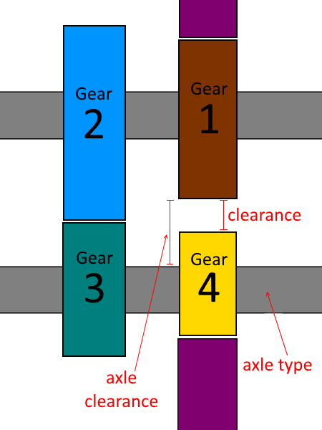
Gear Pitch | 20 |  |  | Find Closest Available Gears |  |  |  | Gear 1 Teeth | 50
 |  |  |  | Round by | Ratio |  |  | Gear 1 dp | 20
Desired Ratio | 3.00:1 |  |  | Modulus | 2
Desired Distance | 2.9 | inches |  |  |  |  |  | Gear 2 Teeth | 20
 |  |  |  | Set Driving | Set Driven | Nearest |  | Gear 3 Teeth | 54
Driving Gear | 29 | teeth |  | 30 | 29.333333333 | 30 | teeth | Gear 2/3 dp | 20
Pitch Diameter | 1.45 | inches |  | 1.5 | 1.4666666667 | 1.5 | inches
Outer Diameter | 1.55 | inches |  | 1.6 | 1.5666666667 | 1.6 | inches | Axle Type | 1/2 Hex
 |  |  |  |  |  |  |  | Gear 4 Teeth | 28
Driven Gear | 87 | teeth |  | 90 | 88 | 88 | teeth | Gear 4 dp | 20
Pitch Diameter | 4.35 | inches |  | 4.5 | 4.4 | 4.4 | inches
Outer Diameter | 4.45 | inches |  | 4.6 | 4.5 | 4.5 | inches | Axle Clearance | 0.262"
 |  |  |  |  |  |  |  | Clears Axle? | TRUE
 |  |  | Ratio | 3.00:1 | 3.00:1 | 2.93:1 |  | Clearance | -0.200"
 |  |  | Distance | 3 | 2.9333333333 | 2.95 | inches | Clears Gear 4? | FALSE

